1. Title Page
[Instacart Grocery Basket Analysis]

Project Name: Instacart grocery Basket Analysis
Date: 27.02.2022
Analyst Name: Francesca D'Angelo

Contents:
Population Flow
Consistency checks
Wrangling steps
Column derivations
Visualizations
Recommendations

Data Citation
“The Instacart Online Grocery Shopping Dataset 2017”
https://www.instacart.com/datasets/grocery-shopping-2017

CareerFoundry GmbH
"Customer data as well as the “prices” column in the products data set, were both fabricated for the purpose of this course"
4.9: Intro to Data Visualization with Python (careerfoundry.com)
4.10: Coding Etiquette & Excel Reporting (careerfoundry.com)

2. Population Flow
Title page

Population flow

Exclusion flag
Condition: max_order < 5
Obervations to be removed: 1,440,295
Final total count of order_products_all: 32,404,859

Orders_products_combined
Orders_products_merged
Orders_products_all

Total: 32,404,859
Total: 32,434,489
Total: 32,404,859

1.) The grey boxes in the first row of the population flow represent the original data sets as they were when you downloaded them. In the Total fields you need to add the count of the rows when you imported the data set into Jupyter.
2.) The second row of boxes (coloured) represents the data sets after you manipulated them, e.g., removed missing values and duplicates. In the Total fields you need to add the count of the rows after conducting these operations. This offers a visual oveview of how the data flows throughout the data consistency checks.
3.) The third row, where also the arrows are coloured, represents the merges you performed between the datasets. In the Total fields you need to add the count of the rows in the merged datasets, so that you end up with the final dataset (in the red box). Keep in mind the final dataset should be without exclusions (based on the exclusion flag).

3. Consistency checks
 |  |  |  | Title page
Consistency checks

Dataset | Missing values | Missing values treatment | Duplicates
orders | The 'days since prior order' column was missing 206,209 values as they are new customers. The missing variables were treated by being imputed with a negative number (-1) and having a flag inserted to identify them as a new client with no prior orders. | I created a column called "new customer" that contains either True or False values to identify old and new customers | none
products | 16 missing values found in "product_name" column | I removed these 16 rows by creating a new dataframe without them | 5 duplicates found and dropped
orders_products_prior | none | none | none
customers | none | none | none

4. Wrangling steps
 |  |  |  | Title page
Wrangling steps

Columns dropped | Columns renamed | Columns' type changed | Comment/Reason
"eval_set" |  |  | Irrelevant to this analysis
 | "order_dow" to "orders_day_of_week" |  | It is more understandable this way
 |  | "order_id" | From number to string
 |  | "user_id" | From number to string
"First Name" |  |  | Dropped for privacy reasons. Irrelevant to this analysis
"Surnam" |  |  | Dropped for privacy reasons. Irrelevant to this analysis
 | "Gender" to "gender"
 | "STATE" to "state"
 | "Age" to "age"
 | "fam_status" to "marital_status" |  | It is more understandable this way
 |  | "days_since_prior_order" | From float 64 to float 16 for memory usage reasons
 |  | "loyalty_flag" | From object to category for memory usage reasons
 |  | "frequency_order_flag" | From object to category for memory usage reasons
 |  | "average_order_flag" | From object to category for memory usage reasons

5. Column derivations
 |  |  |  | Title page

Column derivations and aggregations

In this tab you should add tables below that the frequences of flags/label variables that you produced after deriving them. NB: don't do this for continuous variables, only for flags.
Dataset | New column | Column/s it was derived from | Conditions
df_ords_prods_merged.pkl | price_range | prices | If the product price is over 15$, then "High-range product"; If the product price is between 5 and 15$ ,then "Mid-range product"; If the product price is under 5$, then "Low-range product"
df_ords_prods_merged.pkl | busiest_day | orders_day_of_week | If day is 0, then flag: "busiest day"; If day is 4, then flag: "least busy"; Otherwhise flag: "regularly busy"
df_ords_prods_merged.pkl | busiest_days | orders_day_of_week | If day is 0 or 1, then flag: "busiest days"; If day is 4 or 3, then flag: "slowest days"; Otherwhise flag: "regularly busy days"
df_ords_prods_merged.pkl | busiest_hours | order_hour_of_day | If the order is placed between 10 and 4pm, then flag: "Most orders"; If the order is placed before 6 flag: "Fewest orders"; Otherwhise flag: "Average orders"
df_ords_prods_merged.pkl | loyalty_flag | grouped by user_id and aggregated max values from order_number | If the customer has placed more than 40 orders, then flag: "Loyal customer"; If the customer has placed more than 10 orders and less than or equal to 40, then flag: "Regular customer". If the customer has less than or equal to 10 orders, then flag: "New customer".
df_ords_prods_merged.pkl | average_order_flag | grouped by user_id and aggregrated avg prices | If the customer has spent 10$ or more, then flag: "High spender"; If the customer has spent less than 10$, then flag: "Low spender"
df_ords_prods_merged.pkl | median_prior_order | grouped by user_id and aggregrated by the median of days_since_prior_order | If median is more than 20, then flag: "Non-frequent customer"; If median is between 10 and 20, then flag: "Regular customer"; If median is less or equal to 10, then flag: "Frequent customer".
df_final.pkl | region | state | Northeast = Maine,New Hampshire,Vermont,Massachusetts,Rhode Island,Connecticut,New York,Pennsylvania,New Jersey; Midwest = Wisconsin, Michigan, Illinois, Indiana, Ohio, North Dakota, South Dakota, Nebraska, Kansas, Minnesota, Iowa, Missouri; South= Delaware,Maryland,District of Columbia,Virginia,West Virginia,North Carolina,South Carolina, Georgia,Florida,Kentucky,Tennessee,Mississippi,Alabama,Oklahoma,Texas,Arkansas,Louisiana; West= Idaho,Montana,Wyoming,Nevada,Utah,Colorado,Arizona,New Mexico,Alaska,Washington,Oregon,California,Hawaii
df_final.pkl | exclusion flag | max_order | If the max order is less than 5, then flag "Low-activity", otherwise "High-activity"
df_all.pkl | age_flag | based on columns such as age, income, department_id, n_dependants, marital_status, and order_hour_of_day | If customer's age is between 18 and 25, then flag: "Young adult"; If customer's age is between 25 and 45, then flag: "Adult"; If customer's age is between 45 and 65, then flag: "Middle aged"; Otherwise flag "Senior".
df_all.pkl | income | based on columns such as age, income, department_id, n_dependants, marital_status, and order_hour_of_day | If customer's income is less than 65K, then flag: "Low income"; If customer's age is between 65K and 100K, then flag: "Lower Middle income"; If customer's age is between 100K and 150, then flag: "Upper Middle income"; Otherwise flag "High Income".
df_all.pkl | n_dependants | based on columns such as age, income, department_id, n_dependants, marital_status, and order_hour_of_day | If the customer has between 1 and 2 dependants, then flag "Small family" If the customer has 3 or more dependants, then flag "Big family" Otherwise flag "No kids".
df_all.pkl | profile | based on columns such as age, income, department_id, n_dependants, marital_status, and order_hour_of_day | If the customers places an order between 10am and 9pm, then flag: "Regular customer""; If the order is placed between 6am and 10am, then flag: "Early bird"; Otherwhise flag: "Night owl" If the customer is less then or 25 years old and the income is less than 30K, then flag as "Low-income young adult" If the customer's familiar status is "no kids" and the income is 100K or more, then flag as "Wealthy single adult" If the customer's familiar status is "no kids" and the marital_status "married", then flag as "Family without kids" If the customer has one or more dependants and the income is less than 65k, then flag as "Low-income family" If the customer has one or more dependants and the income is between 65k and 100K, then flag as "Lower-middle-income family" If the customer has one or more dependants and the income is between 100k and 150K, then flag as "Upper-middle-income family" If the customer has one or more dependants and the income is over 150k, then flag as "Wealthy family" If the customer has more than 65 years and the income is less than 65k, then flag, then flag as "Low-income retired" If the customer has more than 65 years and the income is more than 65k, then flag, then flag as "Wealthy retired" If the customer purchases alcohol, then flag as "Alcohol consumer" If the customer purchases meat and seafood, then flag as "Non-vegetarian" If the customer purchases pet products, then flag as "Pet owner" All the customers that do not fit any of these conditions, flag: "other"

6. Visualizations
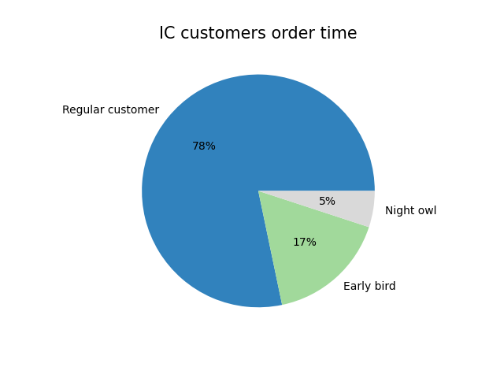
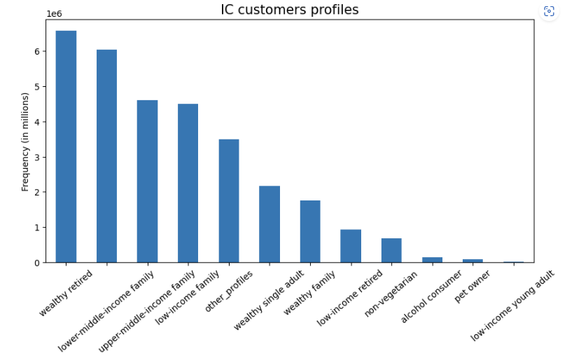
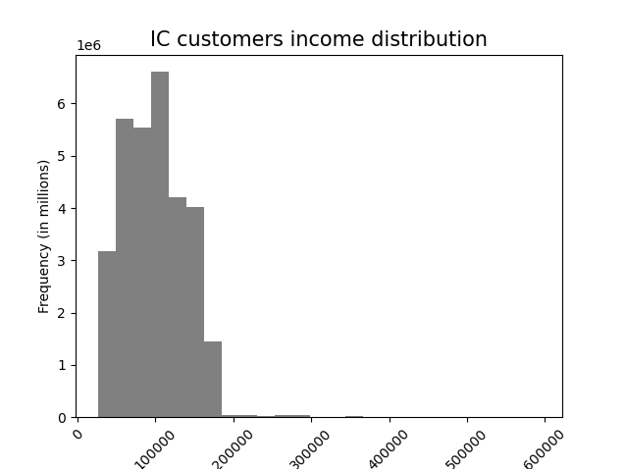
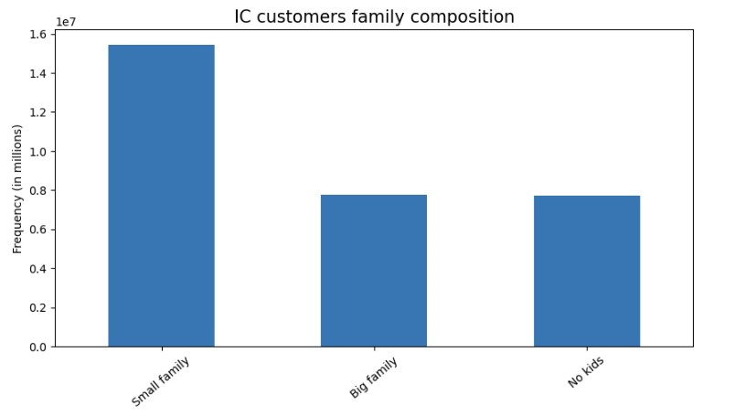
 |  |  |  | Title page

Visualisations

In this tab you should include all the visualizations from Exercises 4.9 and 4.10, alongside the questions from the project brief that they answer. Include any commentary on the relationship between different variables.

 |  |  | 1. Which are the busiest days of the week and hours of the day?

Answer: As we can see from the visualizations below, Saturdays (19%) and Sundays (17%) are the busiest days of the week.
Futhermore, most of the orders are placed between 10 and 4 pm.
Please keep in mind that the days are represented numerically, with 0 being Saturday and 6 representing Friday.

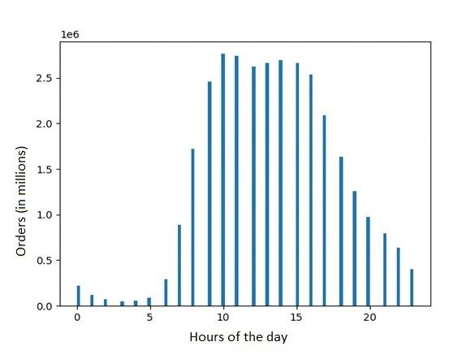
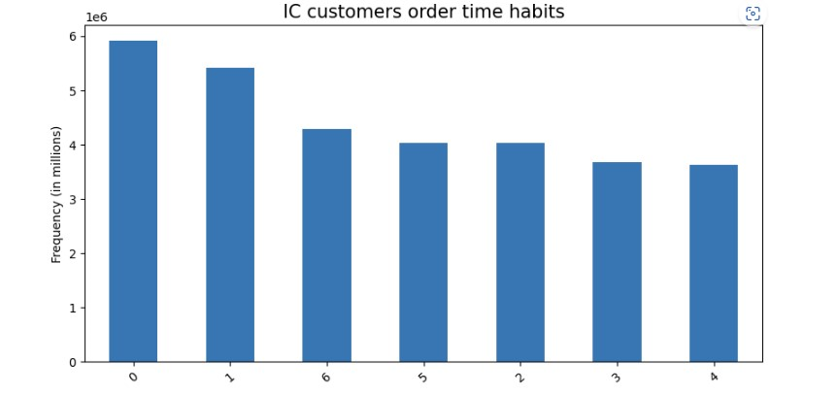
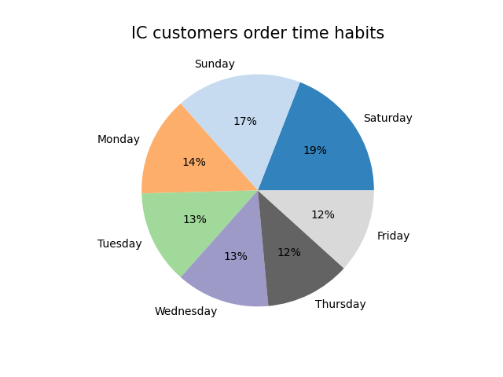

 |  |  | 2. Are there any particular times or days where people spend more money than usual?

 | Answer: As we can notice from the charts below, more expensive products are purchased throughout the night, whereas less expensive items are purchased in the morning.
 | Furthermore, more expensive products are usually bought over the weekend (Friday and Saturday).
 | Please keep in mind that the days in the second figure are represented numerically, with 0 being Saturday and 6 representing Friday.

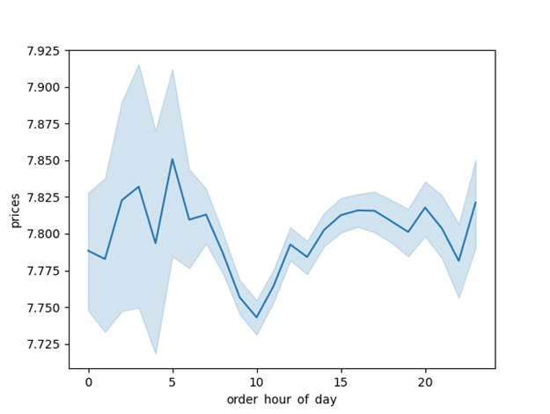
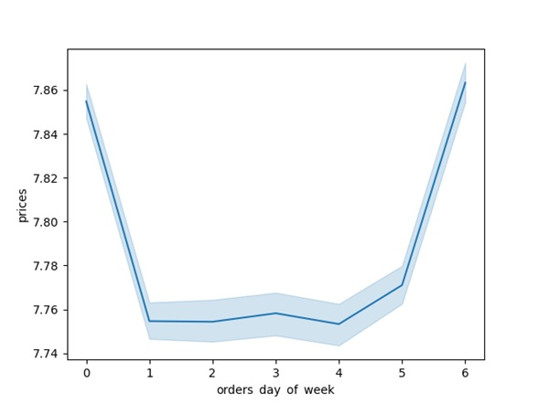

 |  |  | 3. What are the most popular goods among IC customers?

 | Answer: As we can see from the charts below, IC customers purchase mostly alcohol, dairy and eggs, snacks and beverages. Furthermore, most of the products sold on IC costs less than 15$.

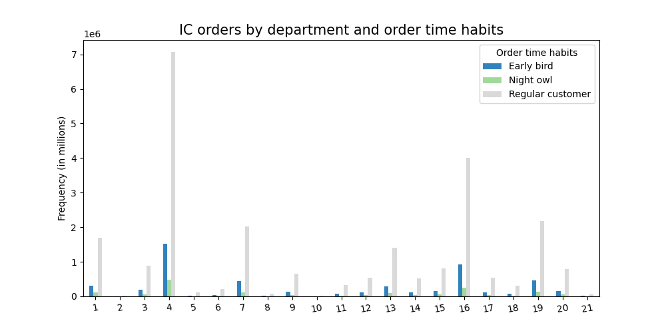

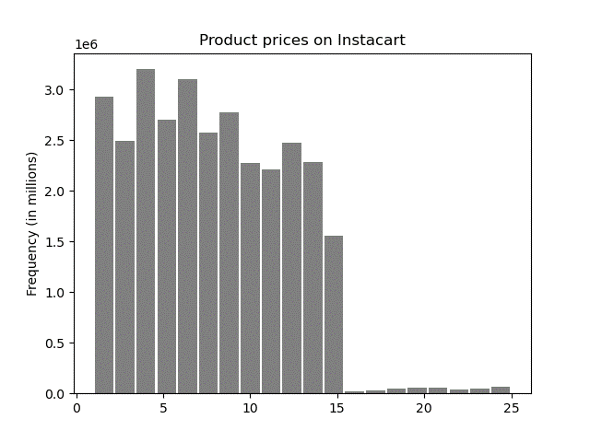
Department_Id | Department
1 | Frozen
2 | Other
3 | Bakery
4 | Produce
5 | Alcohol
6 | International
7 | Beverages
8 | pets
9 | Dry goods, pasta
10 | Bulk
11 | Personal care
12 | Meat - Seafood
13 | Pantry
14 | Breakfast
15 | Canned goods
16 | Dairy Eggs
17 | Household
18 | Babies
19 | Snacks
20 | Deli
21 | Missing

 |  |  | 4. Who are the most loyal Instacart customers?

 | Answer: As we can see from the charts below, the most devoted IC customers are small families (1-2 kids) living in the Southern regions.

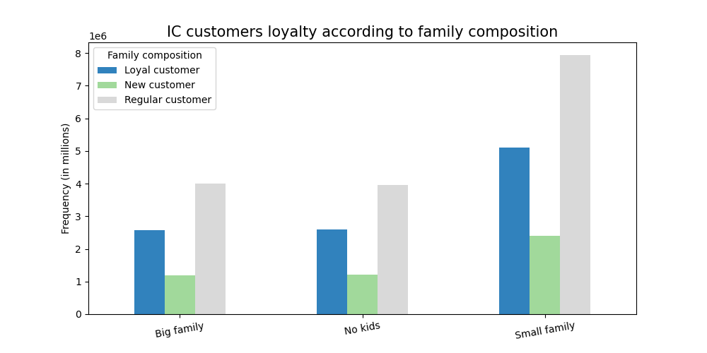
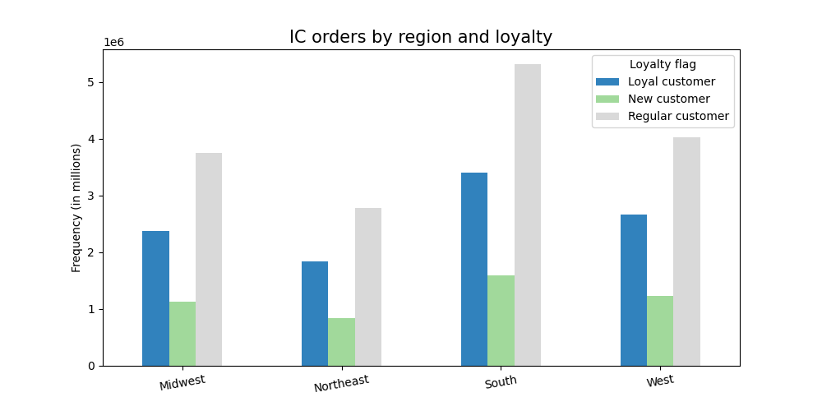

 |  |  | 5. Are there relevant differences in ordering habits based on region?

 |  | Answer: As we can see from the graphs below, the majority of high-income consumers and high-spenders (even though they are a very small percentage) are clustered in the southern regions.

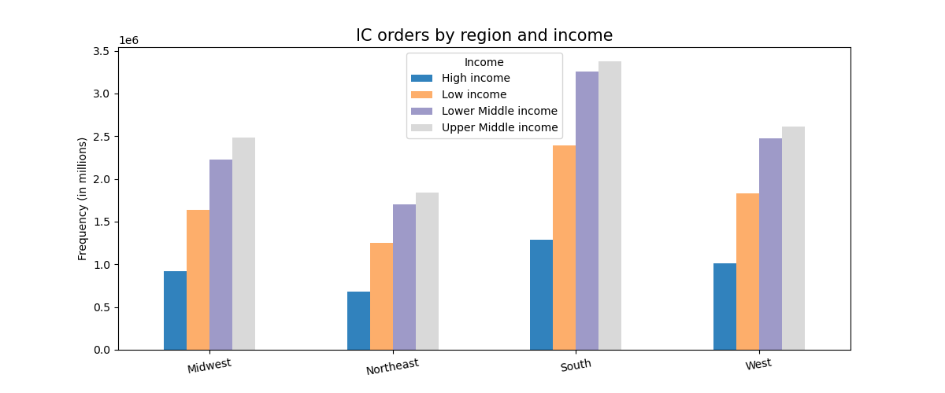
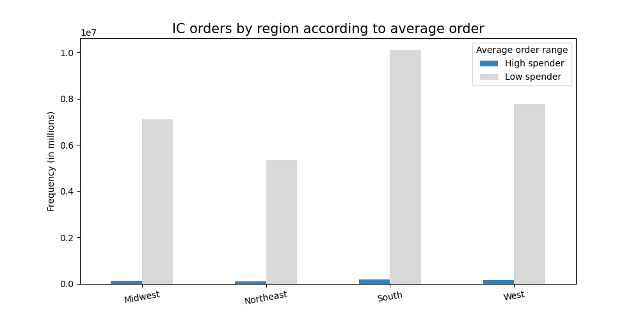

 |  |  | 6. What different categories are suggested by the data?

 | Answer: As we can see from the charts below, several profiles have been created based on age, income, family status, habits and product purchased.

7. Recommendations
 |  | Title page

Recommendations

In this tab you should include any recommendations you would made to Instcart in terms of their marketing strategy based on the questions posed in the brief. Every key question has been covered in the Tasks of the Exercises - here you need to add an item - a visualisation or table/crosstable that is showing the answer in the data, acompanied by a comment from you. Please, list the questions below and add the answer underneath.

Question | Answer
Key question 1 | Saturday and Sunday are the busiest days of the week, while the busiest time of day to place an order is between 10 am and 4 pm. Therefore, the window of time from 20 pm to 9 am may be ideal for scheduling additional ads to push the sales.
Key question 2 | The night is when people buy more expensive items, whereas less expensive products are purchased in the morning. On the other hand, very few customers place orders late at night. Also, the weekend (Friday and Saturday) is typically when people purchase more expensive goods. Because of this, I suggest advertising more expensive goods from Sunday to Thursday during the slowest times of the day (20 pm - 9 am)
Key question 3 | Because IC clients mostly buy alcohol, dairy and eggs, snacks, and beverages, it is essential to keep appropriate stock levels in these product categories. Additionally, the majority of products sold on IC cost less than $15, therefore I wouldn't advise promoting more expensive goods.
Key question 4 | Couples with kids, particularly small families (1-2 children), are the most loyal clients, thus I would advise the sales and marketing teams to target this market.
Key question 5 | Instacart has the largest customer base in the Southern regions. Furthermore, the South of the country seems to have the higher number of high-spending clients. Thus, new products and brands could be launched there, while IC should focus on growing in the rest of the country.
Key question 6 | Shopping habits appear to be very similar across the various consumer profiles, hence I would advise IC to launch general campaigns based on the product rather than profiling customers.

